Param ID
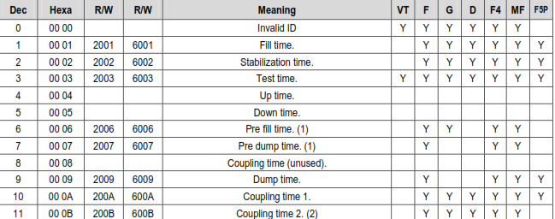

42

SPE Cycles
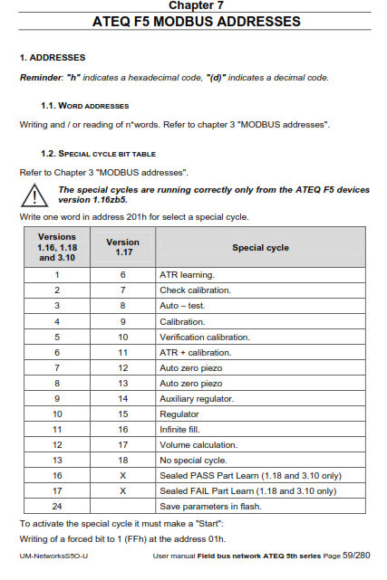
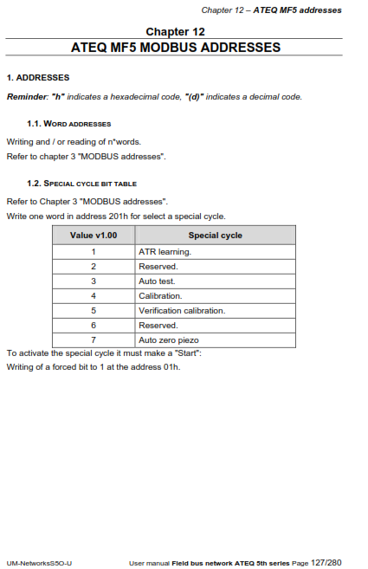
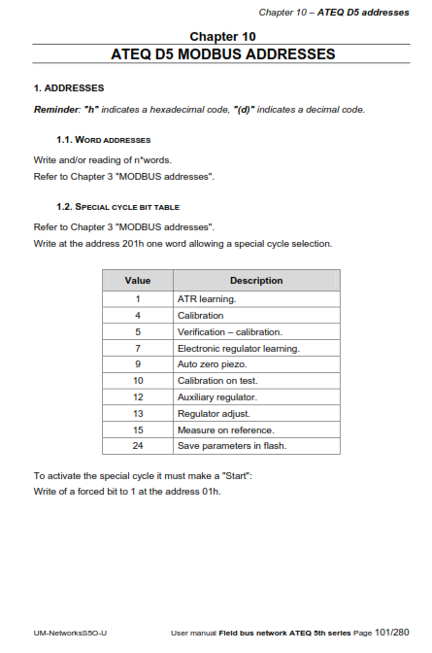
 | ATEQ Premier F (520F, F5) Pressure Decay | ATEQ Premier MF (520MF, MF5) Diff Mass Flow
 | Validated = Green | Validated = Green
1.2. SPECIAL CYCLE BIT TABLE
ATR learning. | 1 | 1
Check calibration. | 2
Auto – test. | 3
Calibration. | 4 | 4
Verification calibration. | 5 | 5
ATR + calibration. | 6 | 6
Auto zero piezo | 7 | 7
Auto zero piezo | 8 | 8
Auxiliary regulator. | 9 | 9
Regulator Adjust | 10 | 10
Infinite fill. | 11 | 11
Volume calculation. | 12 | 12
No special cycle. | 13 | 13
Sealed PASS Part Learn | 16 | 16
Sealed FAIL Part Learn | 17 | 17
24 Save parameters in flash | 24 | 24

Units Codes
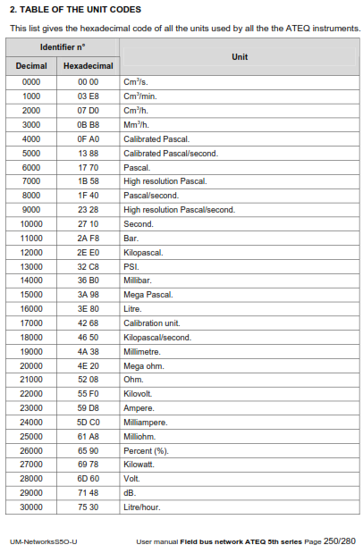
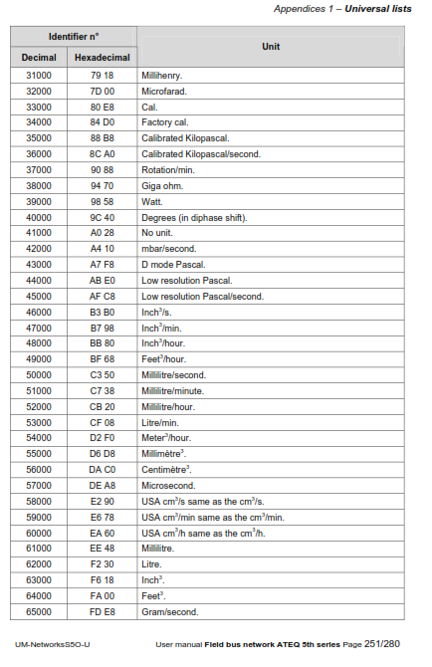
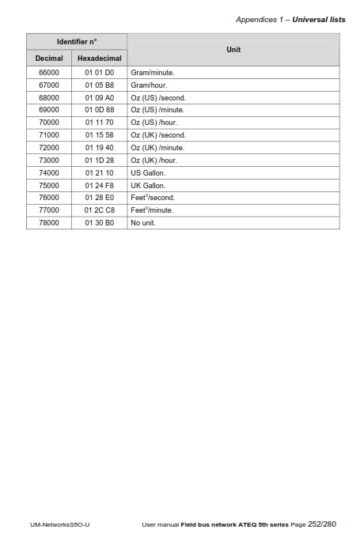

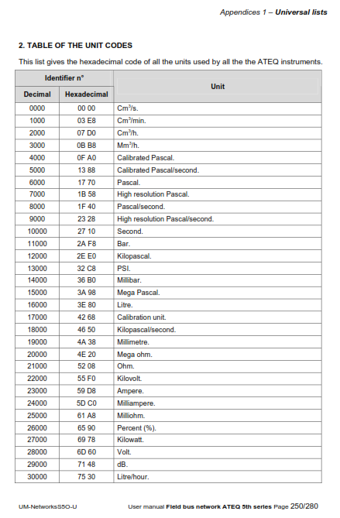
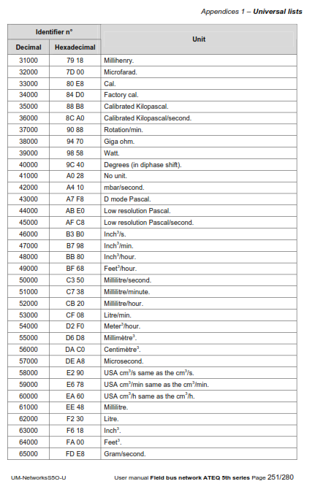
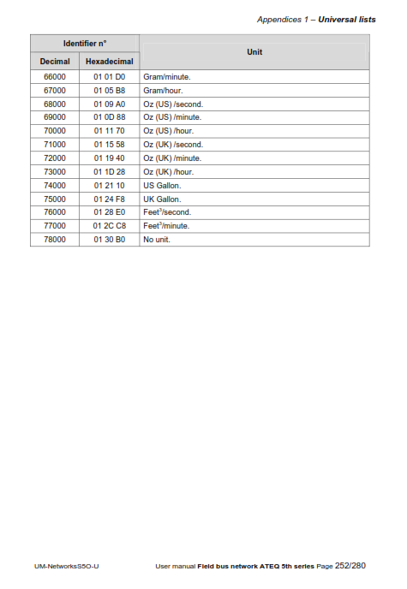

Alarm Codes
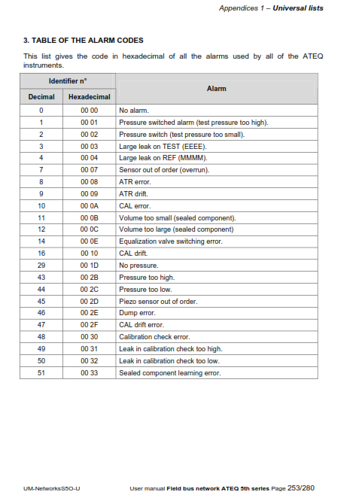
Alarm Codes

Steps Table
